Project_Summary

Projet: | {project.name}
NC Programs and Toolpath Names | 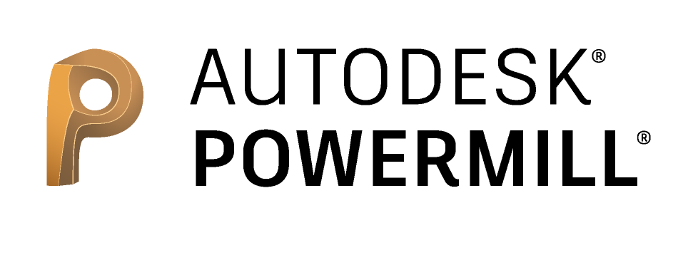
{project.combinedlist}
 | Customer |  | {project.customer}
 | Order number |  | {project.ordernumber}
 | Date & Time |  | {project.date}
 | Part name |  | {project.partname}
 | Models limits | Max | {project.machmodels.maxx} | {project.machmodels.maxy} | {project.machmodels.maxz}
 |  | Min | {project.machmodels.minx} | {project.machmodels.miny} | {project.machmodels.minz}
 | Models list |  | {project.modelslist}
 | Programmer |  | {project.programmer}
 | Project folder |  | {project.path}
 | Total time |  | {project.totaltime}
 | Project notes |  | {project.notes}

